Sheet1
Prying force calculations |  |  |  | Q | 5 | t | straining actions

w | 8.75 | cm | inverse prop. | M | 30 | tm
a | 6 | cm | inverse prop. | Ix | 17300000000 | mm4 | Plate inertia
b | 4 | cm | direct prop.
As | 4.59 | cm2 | direct prop. | Y mm | stress t/cm2 | w cm | h cm | applied force t | force / 0.6 t | T bolt | ratio | is safe | n | ps | Qall
tp | 2 | cm | inverse prop. | 470 | 0.081502890173 | 8.75 | 12.5 | 7.7289559249 | 12.881593208 | 15.43 | 0.83484077823 | pass | 6 | 7.63 | 22.848593504
Text,b | 15.43 | tons |  | 345 | 0.059826589595 | 15 | 10.5 | 7.988800578 | 13.31466763 | 15.43 | 0.86290781789 | pass | 4 | 7.63 | 14.718432039
Text,act | 7.7289559249 | tons |  | 240 | 0.04161849711 | 15 | 9 | 4.5650289017 | 7.6083815029 | 15.43 | 0.49309018165 | pass | 4 | 6.17 | 17.37832059
P | 2.4287041157 | tons |  | 150 | 0.026011560694 | 15 | 15 | 2.926300578 | 4.8771676301 | 15.43 | 0.31608344978 | pass | 4 | 6.17 | 19.999436276
P% | 0.31423443727 |  |  | 0 | 0 | 15 | 0 | 0 | 0 | 0 | #DIV/0! | not safe | 0 | 0 | #DIV/0!
total applied | 10.157660041 | tons |  | 0 | 0 | 15 | 0 | 0 | 0 | 0 | #DIV/0! | not safe | 0 | 0 | #DIV/0!
tension req. | 12.881593208 | tons | pass | 0 | 0 | 15 | 0 | 0 | 0 | 0 | #DIV/0! | not safe | 0 | 0 | #DIV/0!
ten+prying req. | 12.697075051 | tons | pass

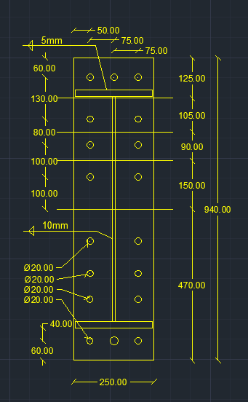
welding |  |  |  |  |  | Qall |  | 74.944782408 | tons | pass

steel ultimate stress | 5.2 | t/cm2
allowable stress | 1.04 | t/cm2 |  |  |  | Flanges weld |  | 0.5 | cm
Q | 5 | t
Mx | 30 | tm |  |  |  | web weld |  | 1 | cm
flange | 24 | cm
flange thickness | 2 | cm
web | 70 | cm
web thickness | 1 | cm
web weld length | 68 | cm
web weld thicnkess | 1 | cm
flange upper weld length | 24 | cm
flange lower weld length | 21 | cm
flange weld thickness | 0.5 | cm
Ix | 110986.33333 | cm 3
A (axial stress) | 0.95957760565 | t/cm2 | pass
B (axial stress) | 0.94606242811 | t/cm2 | pass
web (shear stress) | 0.036764705882 | t/cm2 | pass
B (combined stress) | 0.94820306299 | t/cm2 | pass

